DW BALI (Alcohol)
DATE | INV NO. | DESCRIPTIONS | AMOUNT | BILLS | PRICE | TOTAL | STATUS
5-Jan-2026 | DW/70/071 | APEROL 700ML | 2 | 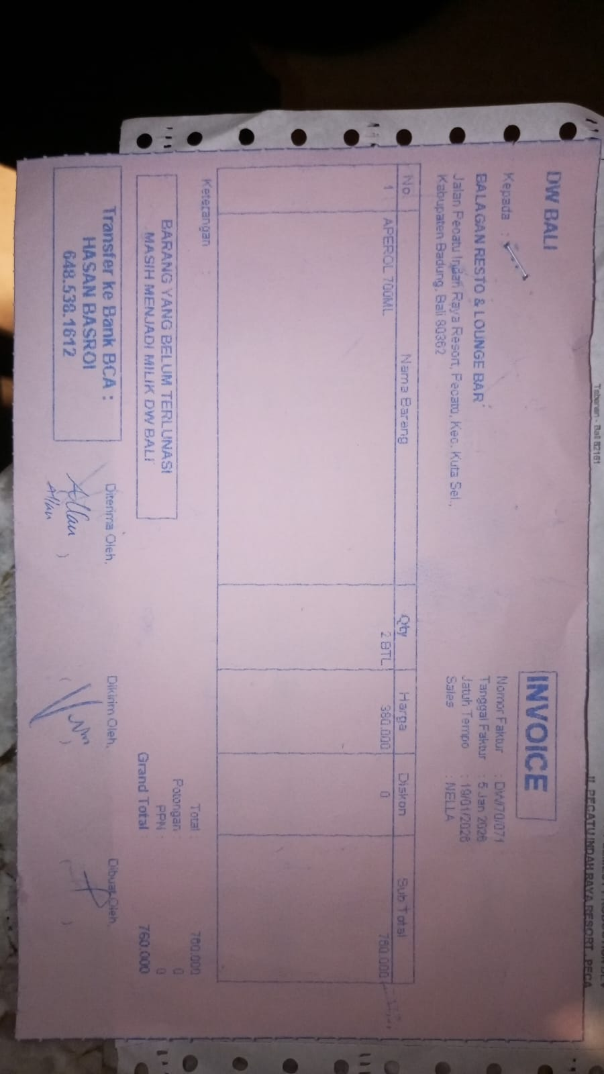 | Rp380,000 | Rp760,000 | 2026-01-19
12-Jan-2026 | DW/70/548 | APEROL 700ML | 3 | 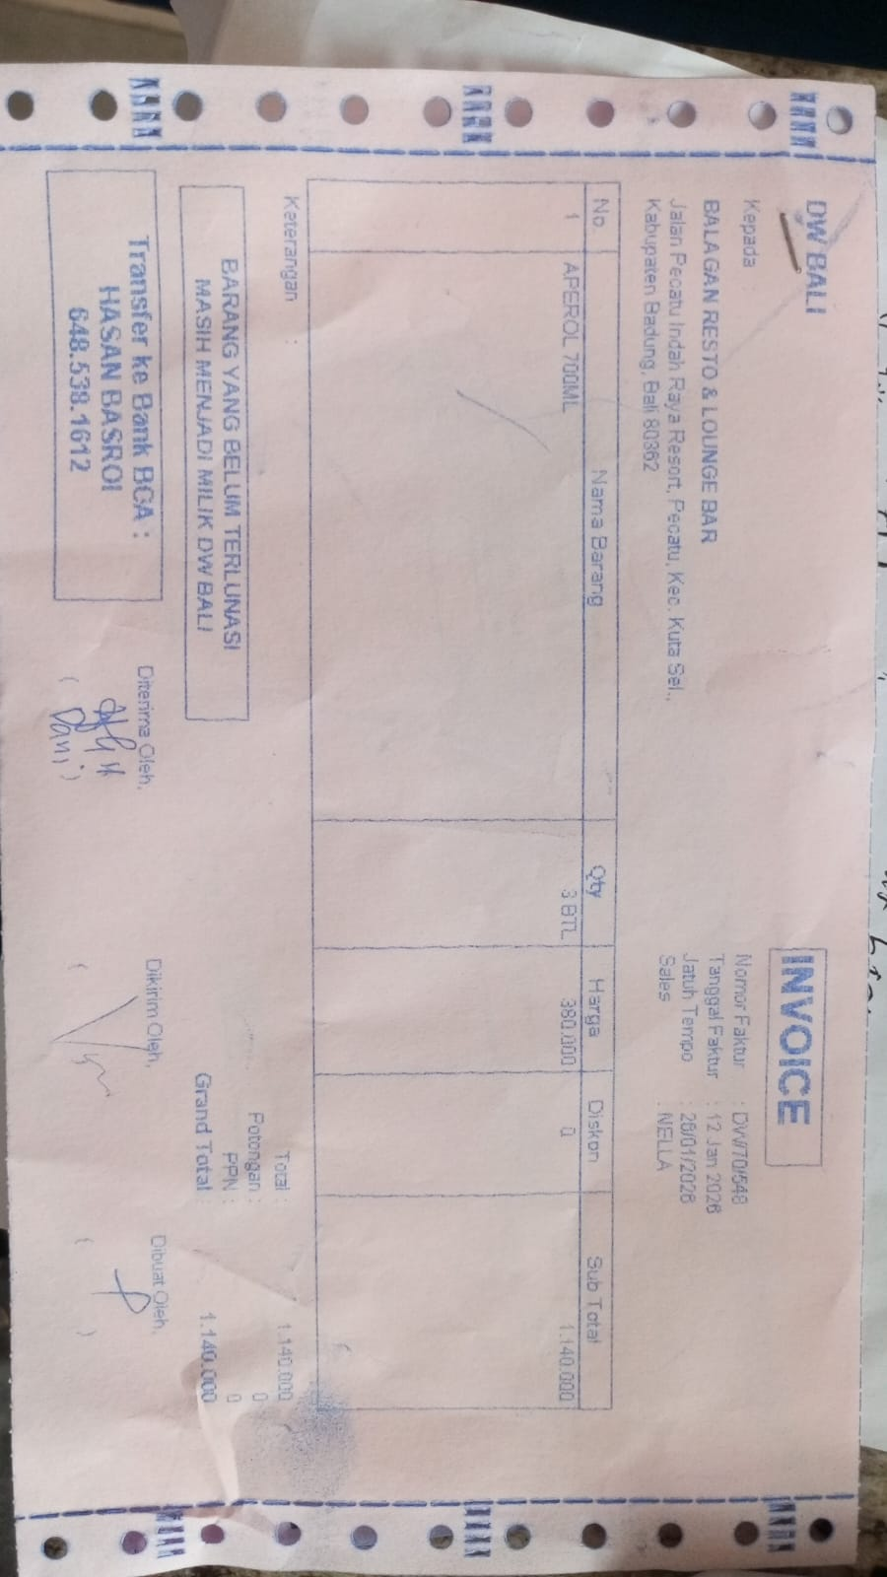 | Rp380,000 | Rp1,140,000 | 2026-01-26
26-Jan-2026 | DW/71/315 | JIM BEAM BLACK 700ML | 5 | 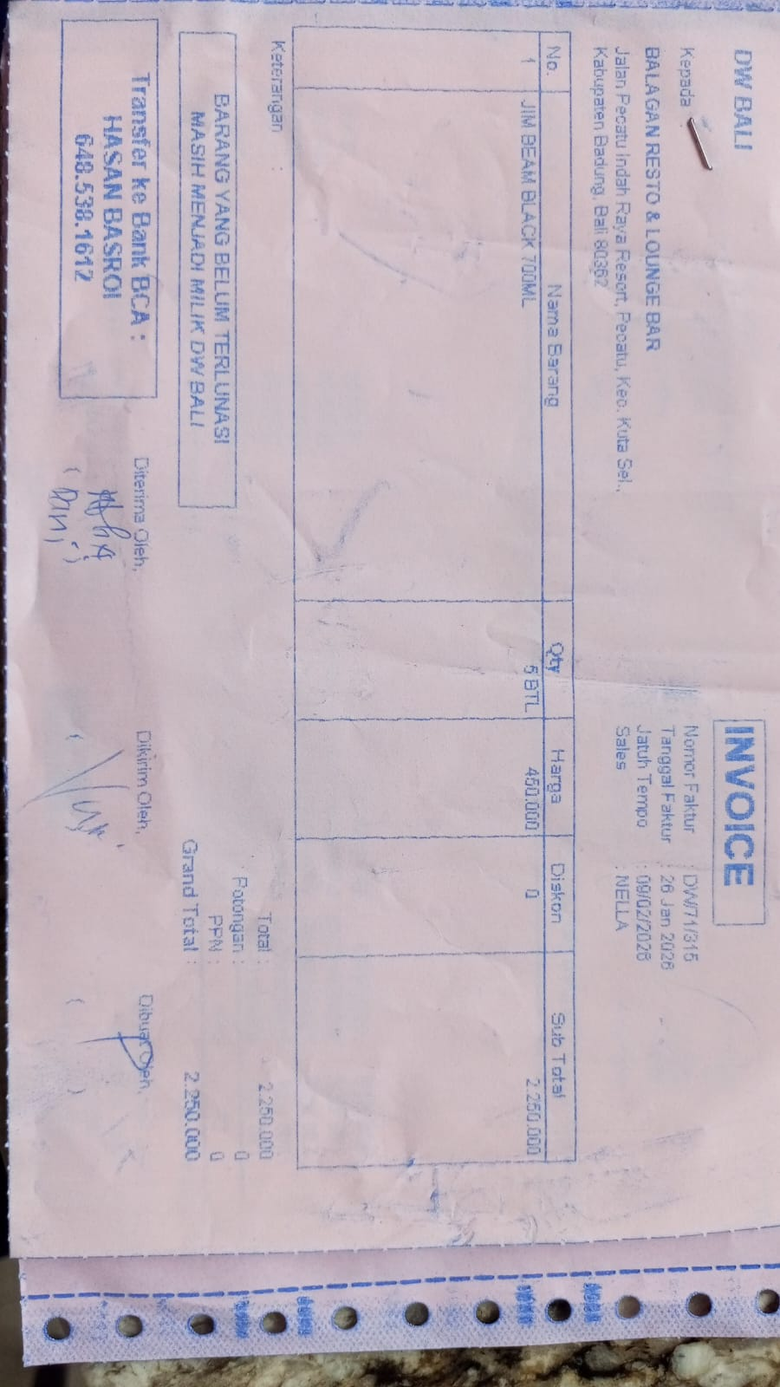 | Rp450,000 | Rp2,250,000 | 2026-02-09

 |  |  |  |  |  | Rp-
GRAND TOTAL |  |  |  | Rp4,150,000

